CV
 | CURRICULUM VITAE
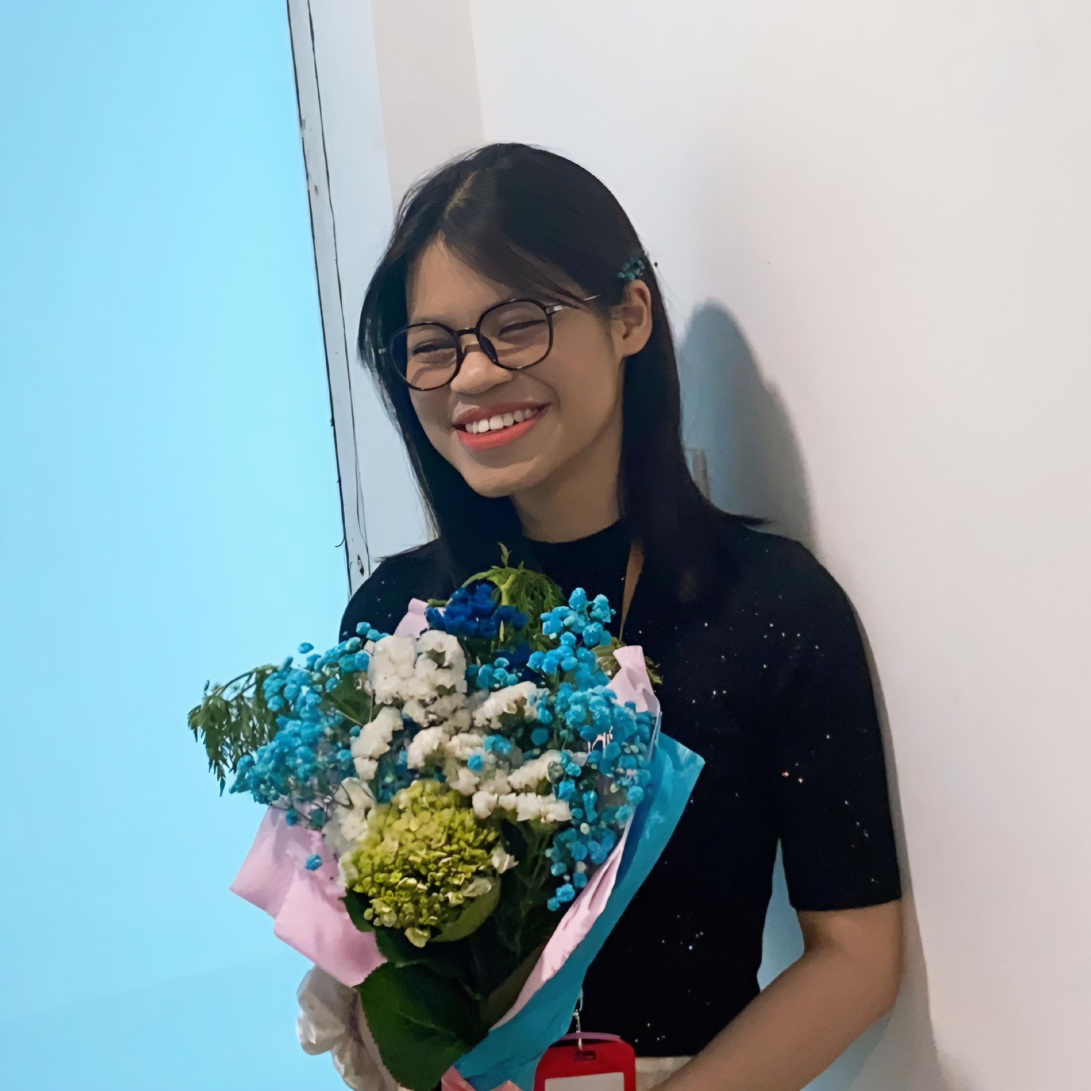
 | PERSONAL DETAIL
 | Name | Nguyen Phuong Chi
 | Nationality | Vietnamese
 | DOB | 20/06/2001
 | Sex | Female
 | Seniority | 1 year

 | Summary
 | I am a proficient software tester with experience in database management, web and mobile application development. + 1 year of experience in Manual testing + 06 month of experience in auto testing within Katalon + Know how to use basic SQL queries in testing + Can translate customer supplied documents and deliverables (Japanese and English) + Good understanding of Software Development Life Cycle (SDLC) and Testing Life Cycle. + Have experience in creating and executing testcases, detecting and reporting issues + Using management tool such as Redmine, Jira, Backlog to manage issues, defect and task relevant to testing activity + Database: MySQL, Oracle + Web and Mobile Application + Cloud Platform: AWS + Automation testing tool: Katalon Studio

 | EDUCATIONAL BACKGROUND
 | 2019-2023 |  | University of Languages and International Studies - Vietnam National University, Hanoi Major: Japanese Language

 | LANGUAGE
 | Vietnamese |  | Native
 | English |  | Advance
 | Japanese |  | Intermediate

 | CERTIFICATION
 | 2024 |  | ISTQB Foundation (CTFL)
 | 2022 |  | JLPT N2
 | 2019 |  | IELTS 7.5

 | TECHNICAL SKILL
 | Domain |  | Web App Testing, Application Testing, Desktop App
 | Cloud-Base |  | AWS
 | Test tool/Framework |  | Katalon
 | Database |  | MySQL, Oracle

 | EXPERIENCE
 | Project_IC (7/2024 - now)
 | Customer |  | Japanese Customer
 | Description |  | This project aims to improve employees work efficiency and reduce paper costs by digitizing analog management for installation documents
 | Team Size |  | 10 members
 | My Position |  | Tester/Comtor
 | My Responsibilites |  | - Support BrSE/developers in creating Basic Design + Detail Design - Translate Deliverables (VN-JP) and Customer supplied documents (JP-VN) - Perform unit testing, integration testing and system testing - Detect, report and verify bugs on Backlog - Utilize remote desktop software to execute system test on various systems - Create test cases/test scripts (manual and automation) - Attend online meetings with customers to support BrSE in transfering new requirements to offshore team
 | Technologies Used |  | Backlog, Oracle DB, MS Office, Katalon, ISL Online, MinIO Console

 | EXPERIENCE
 | Project_QAS (6/2024 - now)
 | Customer |  | Japanese Customer
 | Description |  | This project aims to improve employees work efficiency and reduce paper costs by digitizing analog management for questionaires
 | Team Size |  | 10 members
 | My Position |  | Tester/Comtor
 | My Responsibilites |  | - Support creating Basic Design + Detail Design - Translate Deliverables (VN-JP) and several customer supplied documents (JP-VN)
 | Technologies Used |  | Backlog, Oracle DB, MS Office

 | Project CAR Rental (5/2024)
 | Customer |  | Korean Customer
 | Description |  | This project aims to create 4 systems, which include the Sale System, the HRM
 | Team Size |  | 42
 | My Position |  | Tester
 | My Responsibilites |  | - Exploratory testing - Detect, report and verify bugs on Jira
 | Technologies Used |  | Jira, MS Office, MySQL, Katalon

 | Project Mypage (12/2023 ~ 4/2024)
 | Customer |  | Japanese Customer
 | Description |  | This project aims to support store managers and human resources department in managing employees' labor contracts
 | Team Size |  | 10
 | My Position |  | Tester
 | My Responsibilites |  | - Create test cases - Perform integration testing and system testing - Log Internal Q&A log - Detect, report and verify bugs on Redmine - Check the database with basic SQL queries on Navicat
 | Technologies Used |  | Navicat, Redmine, MS Office, Jmeter

 | Project UAT (10/2023 ~ 12/2023)
 | Customer |  | Japanese Customer
 | Description |  | This project aims to support pharmacists in managing drug information and patient registration for medical examination and treatment
 | Team Size |  | 15
 | My Position |  | Tester
 | My Responsibilites |  | - Create test cases - Perform testing - Detect, report and verify bugs
 | Technologies Used |  | Redmine, MS Office, Mongo

 | I declare that the above information is accurate.

